Sheet1
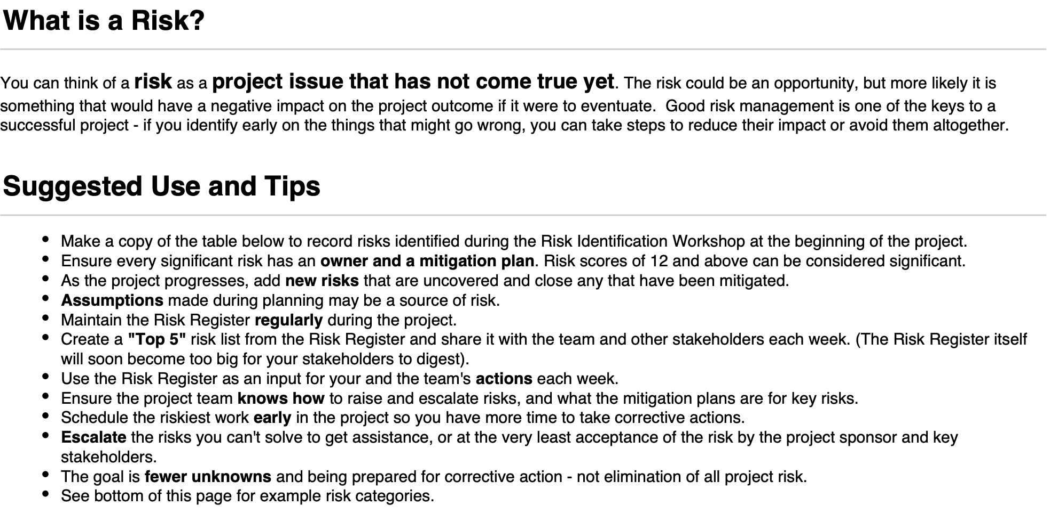
Version 2
 | Risk Description | Impact Description | Impact Level | Probability Level | Priority Level | Mitigation Notes | Owner
 | Brief summary of the risk. | What will happen if the risk is not mitigated or eliminiated? | 1 (LOW) - 5 (HIGH) | 1 (LOW) - 5 (HIGH) | IMPACT * PROBABILITY | What can be done to lower or eliminate the impact or probability? | Who's responsible?
 | Unforseen specification changes | Team panic, end product doesn’t fit brief | 5 | 5 | 25 | Regularly ask client for feedback, attend seminar sessions to display prototypes, design with flexibility | Tim, Owen, Youssef
 | Unexpected bugs | Bad deliverable, extra time needed in planning | 4 | 5 | 20 | Plan enough time to test, test thouroughly, code intentionally | Tim, Owen, Fatema
 | Team personal issues outside of project | Dropout, availability changes, last minute changes | 5 | 4 | 20 | Spreading workload, good communcation | Tim
 | Overestimating personal ability | Burnout, no product developed | 4 | 4 | 16 | Discuss risk with team, chose mature team lead, spread workload evenly | Tim
 | Illness | Increased workload on others, stress on team | 4 | 4 | 16 | Spreading workload, good communcation | Tim
 | Programming language more difficult than forseen | Bugs, missed deadlines, uncompleted prototypes | 5 | 3 | 15 | Choosing programming language democratically, prepare well, practice using programming language | Tim, Owen
 | Unbalanced skillsets | Increased workload on others | 3 | 5 | 15 | Communicate your skillset, assign work appropriately, | Individuals
 | Comparison with other teams | Team direction is mislead, lack of focus on our team | 3 | 5 | 15 | Communicate the risk with team, not discuss project with other teams | Individuals
 | Stress by underestimating collegues | Personal workload increases, collegues feel undervalued | 3 | 5 | 15 | Discuss capabilities openly, foster good relationship with team lead | Individuals
 | Lack of punctuality | Team conflict, wasted time | 3 | 4 | 12 | Remind team of need, find agreeable times for meetings | Individuals
 | Coursework overload | Missed internal deadlines, stress causing lack of focus/desire. | 3 | 4 | 12 | Tim to hold regular 1-1 sessions to keep track of how team members are feeling and how they feel their workload is going. | Tim
 | Focus too much on code design | Overcomplicate sprints, no product developed | 3 | 4 | 12 | Good planning, communication, setting reasonable deadlines | Youssef , Ben, Tim
 | Lack of team communication | Mismatched elements, duplicated work | 3 | 4 | 12 | Plan regular meetings, regular discussion of risk register, foster good relationships with team, 1-1s with team lead | Individuals
 | Team hardware/software issues | Additional team pressure, delays project, missed deadlines | 4 | 3 | 12 | Discuss early any issues, ensure backups, be in commutable distance of computer lab | Individuals
 | Lack of technical resources | Coding becomes extremely slow/possibly stop, internal annoyance and stress | 5 | 2 | 10 | Pick popular coding language based on resources, look at available resources in advance | Tim, Owen
 | Misue of time | Missed internal deadlines. | 3 | 2 | 6 | Tim to hold regular 1-1 sessions to keep track of how team members are feeling and how they feel their workload is going. | Tim
 | Project-related burnout | Lack of energy, higher likelihood of conflicts | 3 | 2 | 6 | Good planning, good communication, regular 1-1s | Tim, Ben
 | Focus too little on code design | Details missing, overcomplicate sprints, additional bugs, not proud of end product | 3 | 2 | 6 | Good planning, spread workload evenly | Ben, Youssef , Tim
 | No flexibility on team roles | Phases of project are under supported | 3 | 2 | 6 | Communicate with team the risk, discuss need to be flexible in advance, spread workload evenly | Individuals
 | Bad planning | Not enough time for phases of project | 3 | 2 | 6 | Use skilled planner, communciate when planning, seek team guidance when planning, refer to class materials | Ben, Tim
 | Lack of team availability | Work doesn't get done, increase team conflicts | 5 | 1 | 5 | Discuss in meetings, regular communication | Tim
 | Loss of data. | Complete failure and lack of deliverables. | 5 | 1 | 5 | Use cloud tools (GIT, OneDrive) | Individuals
 | Team member dropout | Additional workload on rest of team, stretch goals missed, MVP becomes hard to achieve | 5 | 1 | 5 | Regular 1-1s, team spirit, support one another | Tim
 | Lack of client availability | Questions pileup, product doesn't fit updated brief | 5 | 1 | 5 | Discuss client availability early | Tim, Ben
 | Internet issues | Remote working impossible, GIT backups unnavailable, simultaneous work impossible | 5 | 1 | 5 | Discuss home/work situation in advance, communicate issues quickly | Individuals
 | Powercut | Work of the day might not save/backup, remote working impossible, remote team meetings impractical | 5 | 1 | 5 | Discuss home/work situation in advance, communicate issues quickly | Individuals
 | Collusion | Faliure. | 5 | 1 | 5 | Avoid discussing project with other teams, don't copy materials, remind team before sprints in agendas and meetings | Tim, Ben
 | Backups don't work | Loss of work, spontanious backup decisions | 5 | 1 | 5 | Practice using GIT in advnace of project, discuss issues timely | Individuals
 | Confidence issues | Product doesn't represent our best ability | 1 | 4 | 4 | Increase team motivation, support team spirit, 1-1s | Tim
 | Personality clashes | Desire to see team fail, self sabotage | 4 | 1 | 4 | Regular team meetings to keep team spirit, Tim to address conflicts early, team members chosen based on their agreeableness | Tim
 |  |  |  |  | 0
 |  |  |  |  | 0
 |  |  |  |  | 0
 |  |  |  |  | 0
 |  |  |  |  | 0
 |  |  |  |  | 0
 |  |  |  |  | 0
 |  |  |  |  | 0
 |  |  |  |  | 0
 |  |  |  |  | 0
 |  |  |  |  | 0
 |  |  |  |  | 0
 |  |  |  |  | 0
 |  |  |  |  | 0
 |  |  |  |  | 0
 |  |  |  |  | 0
 |  |  |  |  | 0
 |  |  |  |  | 0
 |  |  |  |  | 0
 |  |  |  |  | 0
 |  |  |  |  | 0
 |  |  |  |  | 0
 |  |  |  |  | 0
 |  |  |  |  | 0
 |  |  |  |  | 0

